1. Title Page
[Project Name]

Project Name: Instacart Basket Analysis
Date: 22.04.2024
Analyst Name: Dr. Srijna Jha

Contents:
Population Flow
Consistency checks
Wrangling steps
Column derivations
Visualizations
Recommendations

Data Source: https://s3.amazonaws.com/coach-courses-us/public/courses/data-immersion/A4/A4_Data_Assets/4.3_orders_products.zip
Data Downloaded On: 07.04.2024

2. Population Flow
Title page

Population flow

Exclusion flag
Condition: max_order < 5
Obervations to be removed: 7997421
Final total count of order_products_all: 24401951

Orders_products_combined
Orders_products_merged
ords_prods_customers

Total: 32399372
Total: 32434489
Total: 32399372

1.) The grey boxes in the first row of the population flow represent the original data sets as they were when you downloaded them. In the Total fields you need to add the count of the rows when you imported the data set into Jupyter.
2.) The second row of boxes (coloured) represents the data sets after you manipulated them, e.g., removed missing values and duplicates. In the Total fields you need to add the count of the rows after conducting these operations. This offers a visual oveview of how the data flows throughout the data consistency checks.
3.) The third row, where also the arrows are coloured, represents the merges you performed between the datasets. In the Total fields you need to add the count of the rows in the merged datasets, so that you end up with the final dataset (in the red box). Keep in mind the final dataset should be without exclusions (based on the exclusion flag).

3. Consistency checks
 |  |  |  |  | Title page
Consistency checks

Dataset | Missing values | Missing values treatment | Duplicates | Other Notes
orders | 2 - in "days_since_prior_order" | N/A | 0 rows removed
products | 16 - in "product_name" | Removed | 5 rows removed | 2 rows removed due to error in price
orders_products_prior | n/a | n/a | n/a
customers | n/a | n/a | n/a
ords_prods_customers | n/a | n/a | n/a | Ensured all rows where order_number is 1 had days_since_prior_order as NaN using crosstab

4. Wrangling steps
 |  |  |  | Title page
Wrangling steps

Columns dropped | Columns renamed | Columns' type changed | Comment/Reason
"eval_set" |  |  | Unnecessary to analysis
 | "order_dow" |  | Because "orders_day_of_week" is self explanatory
 |  | "order_id" (int --> str) | Not useful as an int
 |  | "user_id" (int --> str) | Not useful as an int
"First Name" |  |  | Unnecessary to analysis and personally identifiable information (Ex 4.9)
 | "Surnam" |  | Renamed , spelling corrected
 |  | Surname | Surname' column hashed for PII reasons
 |  | "Gender" | columns encoded for PII reasons
 | "STATE" |  | Decapitalised for consistency
 |  | State | columns encoded for PII reasons
 |  | fam_status | columns encoded for PII reasons
 | "Age" |  | Decapitalised for consistency (Ex 4.9)
date_joined |  |  | date_joined' column removed for PII reasons

5. Column derivations
 |  |  |  | Title page

Column derivations and aggregations

In this tab you should add tables below that the frequences of flags/label variables that you produced after deriving them. NB: don't do this for continuous variables, only for flags.
Dataset | New column | Column/s it was derived from | Conditions
/Users/ging/Documents/Data Analytics Course/04_2024_Instacart Basket Analysis/02 Data/Prepared Data/4_9_ords_prods_customers.pkl | price_range_loc | prices | Categorized prices: <br> - "Low": prices < 5 <br> - "Medium": 5 <= prices <= 15 <br> - "High": prices > 15
/Users/ging/Documents/Data Analytics Course/04_2024_Instacart Basket Analysis/02 Data/Prepared Data/4_9_ords_prods_customers.pkl | busiest_days | order_dow | Determined the busiest days: <br> - "Busiest day": order_dow in [0, 1] <br> - "Regularly busy": order_dow in [2, 3, 4] <br> - "Least busy": order_dow in [5, 6]
/Users/ging/Documents/Data Analytics Course/04_2024_Instacart Basket Analysis/02 Data/Prepared Data/4_9_ords_prods_customers.pkl | busiest_period_of_day | order_hour_of_day | Identified the busiest period of the day: <br> - "Most orders": order_hour_of_day in [10, 11, 12] <br> - "Fewest orders": order_hour_of_day in [0, 1, 2, 3, 4] <br> - "Average orders": other hours
/Users/ging/Documents/Data Analytics Course/04_2024_Instacart Basket Analysis/02 Data/Prepared Data/4_9_ords_prods_customers.pkl | loyalty_flag | max_order | Created loyalty flags: <br> - "Loyal customer": max_order > 40 <br> - "Regular customer": 10 < max_order <= 40 <br> - "New customer": max_order <= 10
/Users/ging/Documents/Data Analytics Course/04_2024_Instacart Basket Analysis/02 Data/Prepared Data/4_9_ords_prods_customers.pkl | spending_flag | prices | Classified customers: <br> - "High spender": mean prices >= 10 <br> - "Low spender": mean prices < 10
/Users/ging/Documents/Data Analytics Course/04_2024_Instacart Basket Analysis/02 Data/Prepared Data/4_9_ords_prods_customers.pkl | frequency_flag | order_frequency | Created frequency flags: <br> - "Frequent customer": mean order_frequency > 20 <br> - "Regular customer": 10 < mean order_frequency <= 20 <br> - "Infrequent customer": mean order_frequency <= 10
/Users/ging/Documents/Data Analytics Course/04_2024_Instacart Basket Analysis/02 Data/Prepared Data/anonymized_ords_prods_customers.pkl | region | State | Assigned regions based on state using predefined regional divisions from the US Census Bureau: <br> - Regions include 'Northeast', 'Midwest', 'South', 'West'
/Users/ging/Documents/Data Analytics Course/04_2024_Instacart Basket Analysis/02 Data/Prepared Data/4_9_ords_prods_customers.pkl | age_group | Age | Categorized ages into groups: <br> - "18-25": 18 <= Age <= 25 <br> - "26-35": 26 <= Age <= 35 <br> - "36-45": 36 <= Age <= 45 <br> - "46-55": 46 <= Age <= 55 <br> - "56+": Age > 55
/Users/ging/Documents/Data Analytics Course/04_2024_Instacart Basket Analysis/02 Data/Prepared Data/4_9_ords_prods_customers.pkl | income_group | income | Divided income into groups: <br> - "Low income": income < 40000 <br> - "Middle income": 40000 <= income < 100000 <br> - "High income": income >= 100000
/Users/ging/Documents/Data Analytics Course/04_2024_Instacart Basket Analysis/02 Data/Prepared Data/4_9_ords_prods_customers.pkl | dependants_flag | n_dependants | Flagged customers based on the number of dependents: <br> - "No dependents": n_dependants == 0 <br> - "1-2 dependents": 1 <= n_dependants <= 2 <br> - "3+ dependents": n_dependants >= 3

6. Visualizations
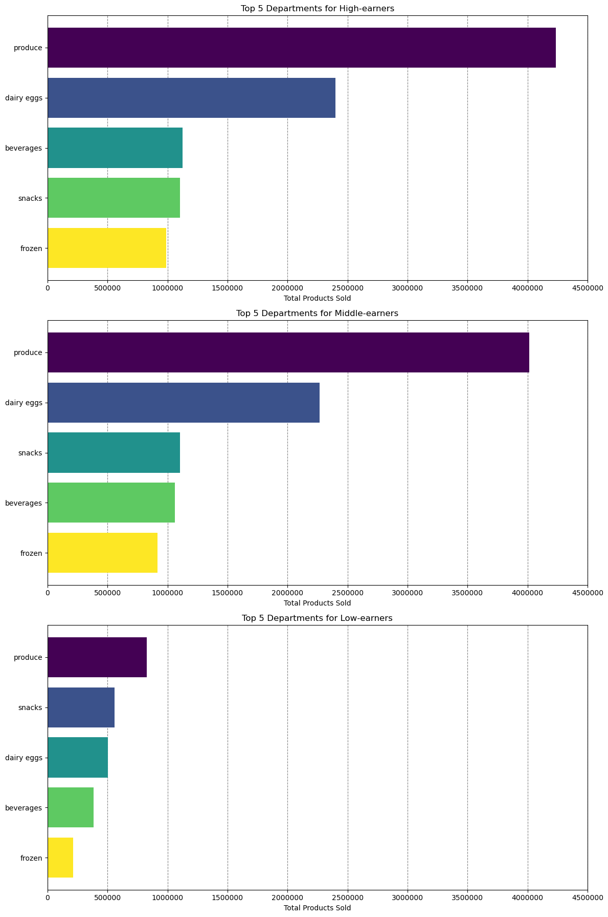
 |  |  |  |  | Title page

Visualisations

In this tab you should include all the visualtions from Exercises 4.9 and 4.10, alongside the questions from the project brief that they answer. Include any commentary on the relationship between different variables.

Key Question: "The sales team needs to know what the busiest days of the week and hours of the day are (i.e., the days and times with the most orders) in order to schedule ads at times when there are fewer orders". Bar chart - Most orders are placed on Saturday and Sunday (days 0 and 1). Significantly fewer orders are made during the working week, with the least orders occuring on Tuesday and Wednesday (days 3 and 4). Histogram - Peak Ordering Hours: The highest number of orders is concentrated between 10 AM and 3 PM. There is a significant increase in the number of orders starting from 9 AM. Low Ordering Hours: Early morning hours (midnight to 5 AM) show the lowest number of orders. Late evening hours (8 PM to midnight) also show a decline in the number of orders. Steady Decline: After 3 PM, there is a gradual but steady decline in the number of orders, which continues until late evening. Insights into Customer Ordering Behavior: Mid-Morning to Early Afternoon Rush: The data indicates a high concentration of orders during mid-morning to early afternoon. This could suggest that customers are more likely to place orders during their work breaks or before lunch. Workday Influence: The increase in orders starting from 9 AM aligns with the typical start of a workday, suggesting that customers might be placing orders as they start their day or during mid-morning breaks. Late Afternoon Drop: The decrease in orders after 3 PM could be due to customers being engaged in afternoon activities or wrapping up their workday, leading to fewer orders during these hours. Nighttime Lull: The low number of orders during late night and early morning hours is consistent with typical sleeping hours, indicating that most customers are not active during these times. Potential Business Actions: Staffing and Resource Allocation: Businesses can allocate more staff and resources during peak hours (10 AM - 2 PM) to manage the high volume of orders efficiently. |  |  | 

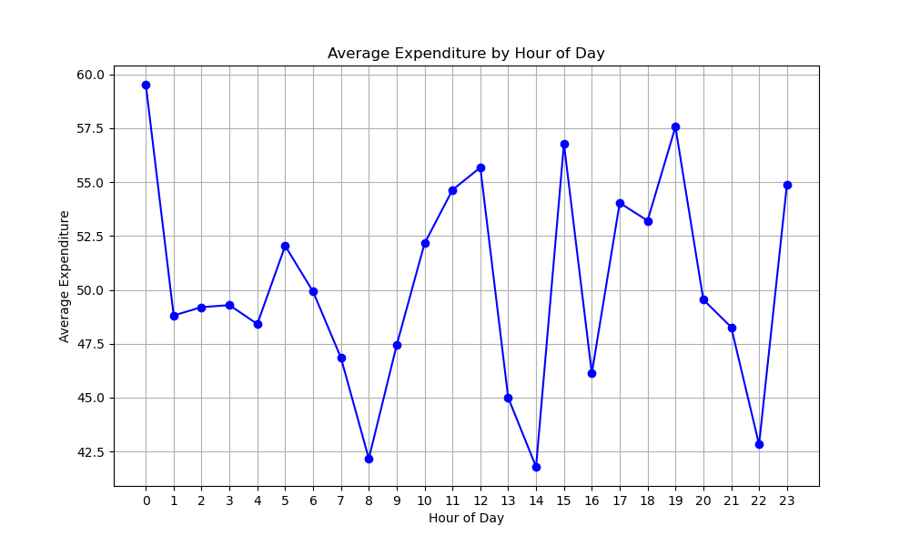
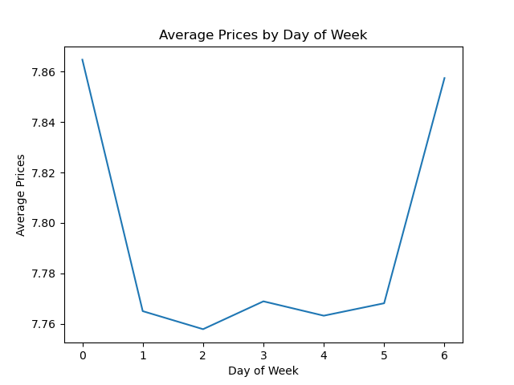
Key Question: "They also want to know whether there are particular times of the day when people spend the most money, as this might inform the type of products they advertise at these times".

Average Prices by Day of Week

Description: This line chart displays the average prices of products purchased on each day of the week.
Observation:
The prices fluctuate slightly over the week.
The highest average prices occur on Day 0 and Day 6, suggesting that weekends might see higher pricing.
The lowest average prices are observed mid-week, around Day 2.
Statistics:
The average price peaks at approximately $7.85 on Day 0 and Day 6.
The lowest average price is around $7.76.

Average Expenditure by Hour of Day

Description: This line chart shows how average expenditure varies by the hour of the day.
Observation:
There is significant variability in spending throughout the day.
Peak spending hours are around 12 PM, 3 PM, 5 PMand 7 PM.
Lowest spending occurs late at night and early morning (1 AM, 2 AM).
Statistics:
Maximum average expenditure is around $58.
Minimum average expenditure drops to approximately $40.


Key Question: "Instacart has a lot of products with different price tags. Marketing and sales want to use simpler price range groupings to help direct their efforts".

Distribution of Prices

Description: This histogram presents the distribution of product prices.
Observation:
Most products are priced between $0 to $5.
There are fewer products priced above $15.
Statistics:
The highest frequency of products is seen in the $1 to $2 range.

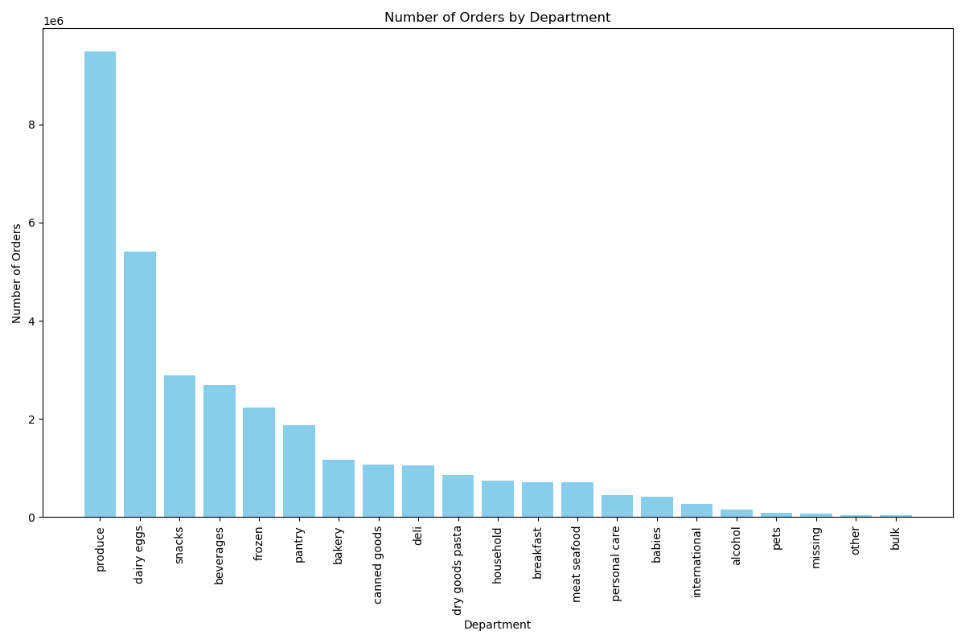
Key Question: "Are there certain types of products that are more popular than others? The marketing and sales teams want to know which departments have the highest frequency of product orders."

Number of Orders by Department

Description: This bar chart shows the number of orders across different departments.
Observation:
The produce department has the highest number of orders.
Other frequently ordered from departments include dairy/eggs, snacks, beverages, and frozen.
Statistics:
Produce orders significantly outnumber other departments, with counts far exceeding 200,000 orders.

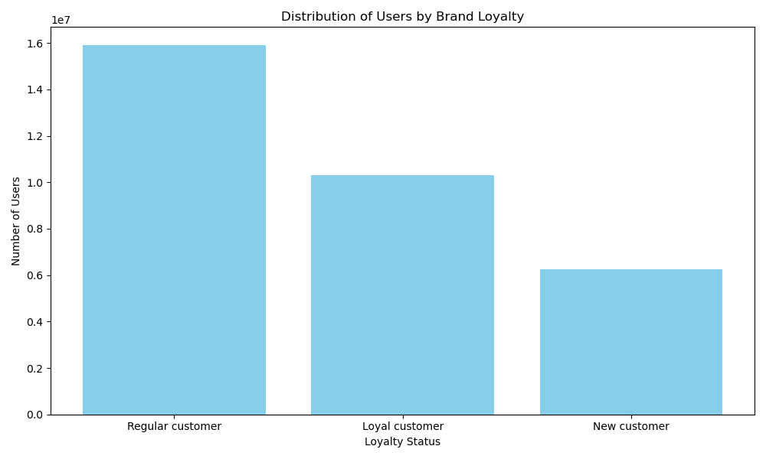
Key Question: "What’s the distribution among users in regards to their brand loyalty (i.e., how often do they return to Instacart)"?

Distribution of Users by Brand Loyalty

Description: This bar chart displays the number of users categorized by their brand loyalty.
Observation:
Regular customers form the largest group.
Loyal customers are the second largest group.
New customers are the smallest group.
Statistics:
Regular customers: ~1.6 mil
Loyal customers: ~1 mil
New customers: ~0.6 mil

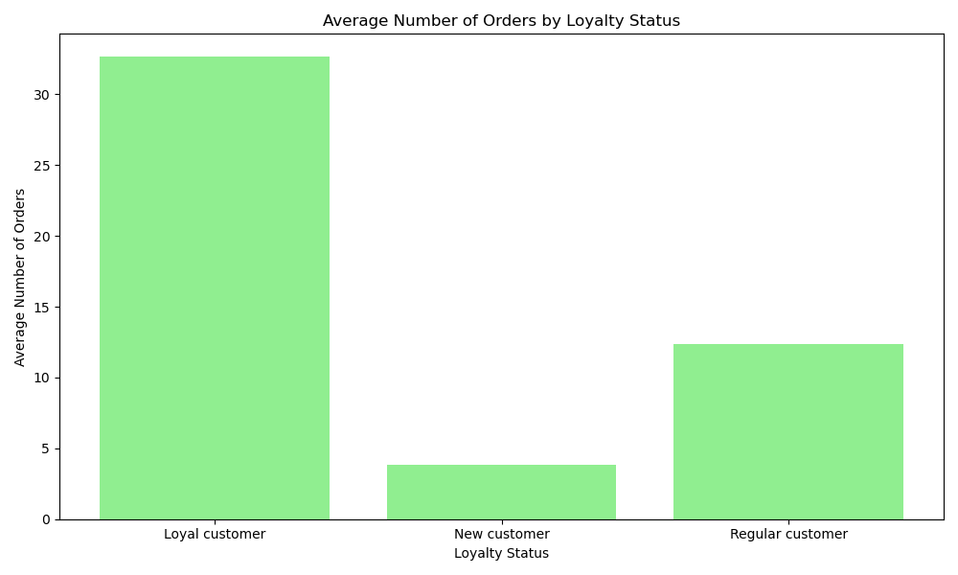
Key Question: "Are there differences in ordering habits based on a customer's loyalty status"?

Average Number of Orders by Loyalty Status

Description: This bar chart shows the average number of orders placed by customers of different loyalty statuses.
Observation:
Loyal customers place the highest average number of orders.
New customers have the lowest average number of orders.
Statistics:
Loyal customers average around 30 orders.
New customers average around 5 orders.

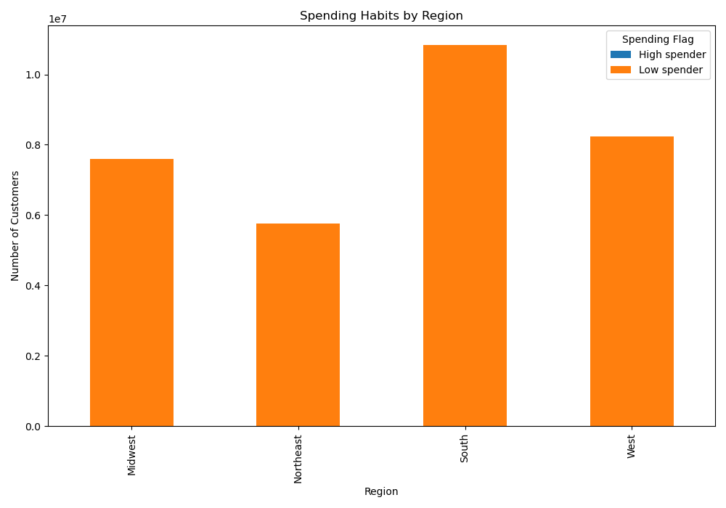
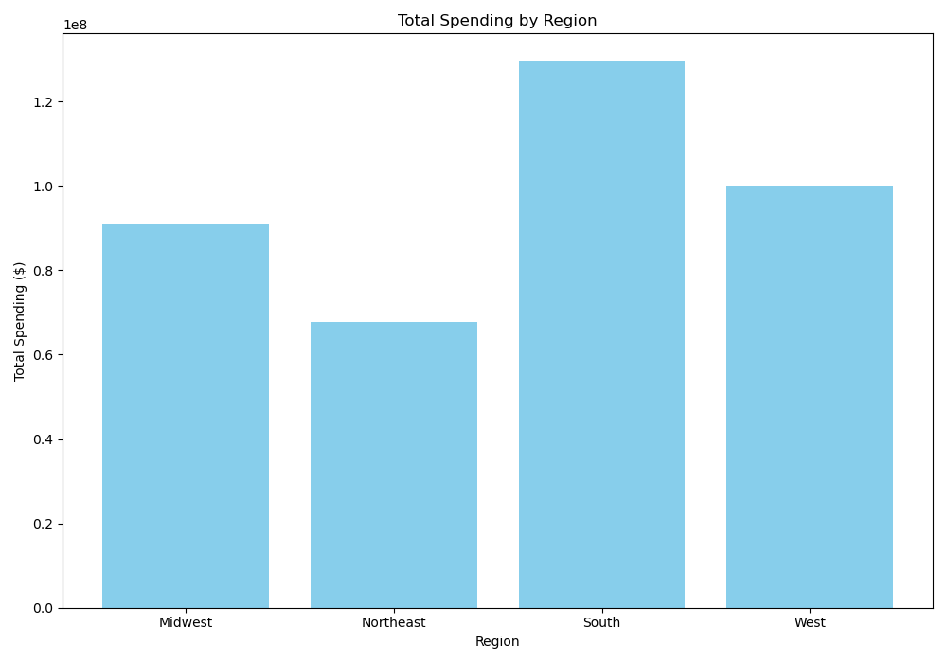
Key Question: "Are there differences in ordering habits based on a customer's region"?

Spending Habits by Region

Description: This bar chart shows the number of customers categorized as high or low spenders by region.
Observation:
The South has the highest number of high spenders.
The Northeast and Midwest have lower numbers of high spenders compared to the South and West.
Statistics:
South: ~1.1 mil high spenders
Northeast: ~0.55 mil high spenders

Total Spending by Region

Description: This bar chart shows the total spending by customers from different regions.
Observation:
The South region shows the highest total spending.
The Midwest has the lowest total spending among the regions.
Statistics:
South: ~1.4 million dollars
Midwest: ~0.8 million dollars

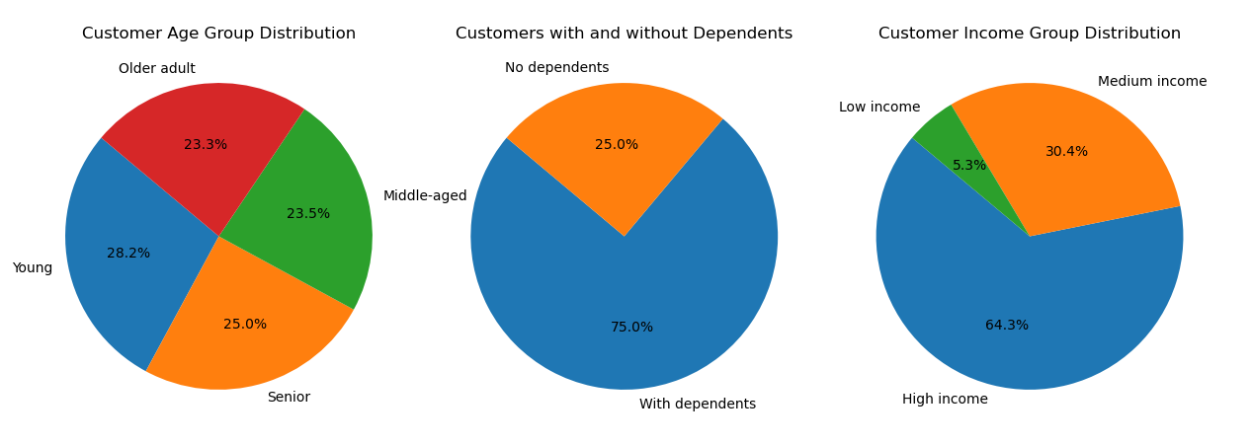
Key Question: "What different classifications does the demographic information suggest?

Customer Segmentation by Age Group

Description: This pie chart segments customers based on their age group.
Observation:
The majority of customers fall within the young age group.
The other age groups are approximately uniformly distributed.
Statistics:
Young 28%
Older Adult, Middle Aged 23% and Senior 25% = Total approx. 75%

Customer Segmentation by Income Group

Description: This pie chart segments customers based on their income group.
Observation:
High-income group dominate the customer base.
Low-income customers form the smallest segment.
Statistics:
High income: ~64%
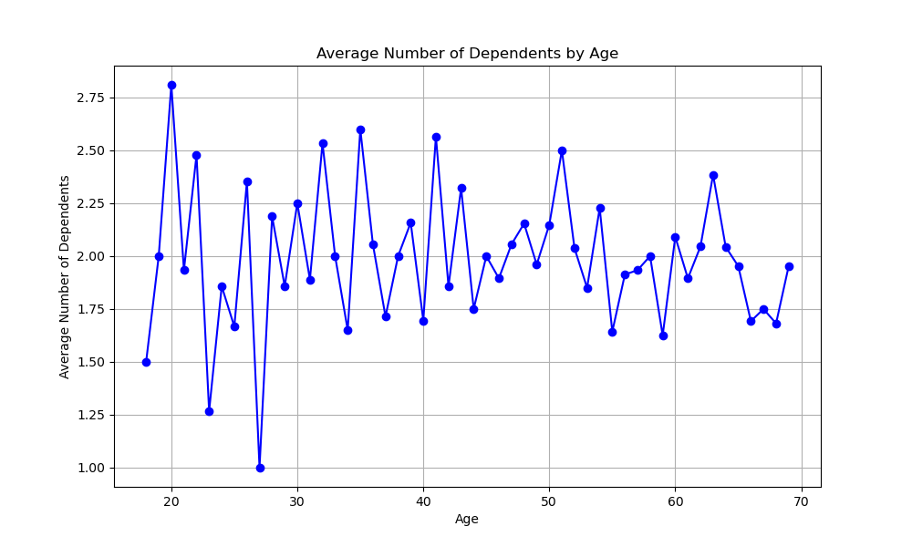
Middle income: ~30%
Low income: ~5%

Average Number of Dependents by Age

Description: This line chart shows the average number of dependents across different age groups.
Observation:
Most customers have dependants, approx. 75%. Ages between 30-40 have most number of average dependants.

Statistics:
With dependents 75%
Without dependants 25%

Key Question: "What differences can you find in ordering habits of different customer profiles? consider the price of orders, frequency of orders, products customers are ordering, and anything else you can think of".

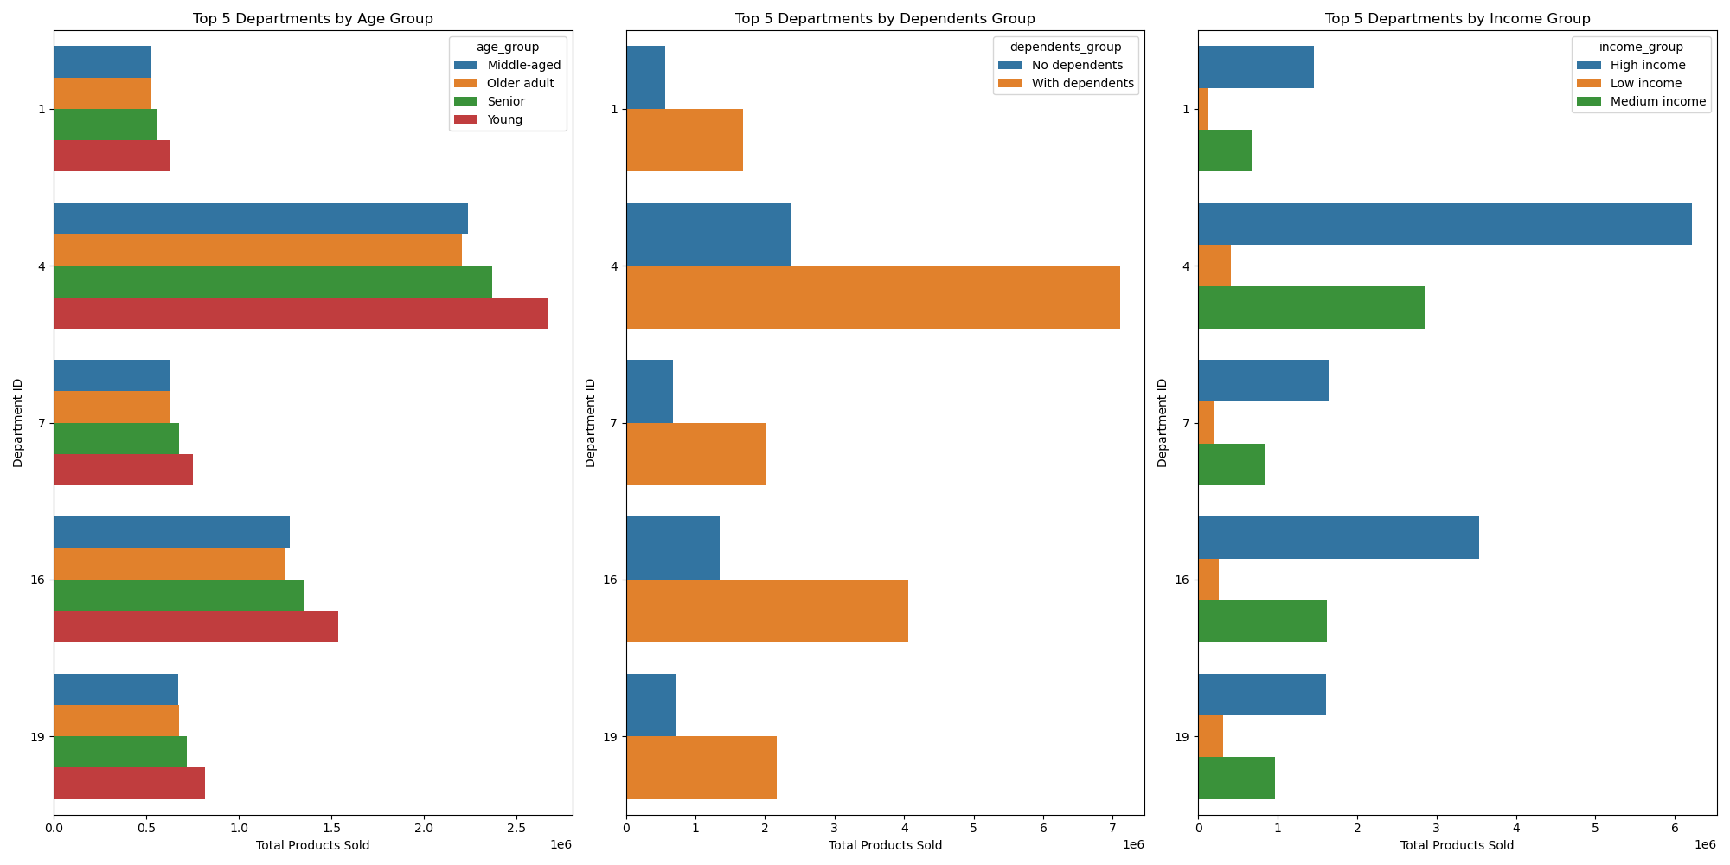
Cross tabs were used in Exercise 4.10 to analyse important ordering habits such as average order total and frequency (average days between orders).

Age The crosstab analysis revealed no significant differences across various age groups. Dependents The crosstab analysis indicated no significant differences between customers with dependents and those without. Income The crosstab analysis showed that high earners order the most number of products, closely followed by middle earners. Low-income customers ordered less number of products.

The horizontal bar charts show the top 5 departments for all age groups, dependant groups and income groups. It shows that,
1)The top 5 departments for all age groups, dependant groups and income groups are the same and all shop "produce" the most.
1)Customers of age groups, dependant groups and income groups shop "frozen" and breverages"and "snacks" less.

 |  | 1) Age group and days_since_prior_order: |  | 2) Age group and total of order_number:
 |  | min mean max |  | min mean max
 |  | age_group |  | age_group
 |  | Middle-aged 0.0 11.082987 30.0 |  | Middle-aged 1 17.233244 99
 |  | Older adult 0.0 11.125193 30.0 |  | Older adult 1 17.132688 99
 |  | Senior 0.0 11.081283 30.0 |  | Senior 1 17.104121 99
 |  | Young 0.0 11.124662 30.0 |  | Young 1 17.106950 99

 |  | 3) Dependents group and days_since_prior_order: |  | 4) Dependents group and total of order_number:
 |  | min mean max |  | min mean max
 |  | dependents_group |  | dependents_group
 |  | No dependents 0.0 11.080606 30.0 |  | No dependents 1 17.264680 99
 |  | With dependents 0.0 11.112009 30.0 |  | With dependents 1 17.101029 99

 |  | 5) Income group and days_since_prior_order: |  | 6) Income group and total of order_number:
 |  | min mean max |  | min mean max
 |  | income_group |  | income_group
 |  | High income 0.0 11.045261 30.0 |  | High income 1 17.254554 99
 |  | Low income 0.0 11.687196 30.0 |  | Low income 1 15.705084 99
 |  | Medium income 0.0 11.127740 30.0 |  | Medium income 1 17.155731 99

7. Recommendations
 | Title page

Recommendations

In this tab you should include any recommendations you would made to Instcart in terms of their marketing strategy based on the questions posed in the brief. Every key question has been covered in the Tasks of the Exercises - here you need to add an item - a visualisation or table/crosstable that is showing the answer in the data, acompanied by a comment from you. Please, list the questions below and add the answer underneath.

Key Question 1: "The sales team needs to know what the busiest days of the week and hours of the day are (i.e., the days and times with the most orders) in order to schedule ads at times when there are fewer orders."

Answer:

Busiest Days of the Week: The busiest days for orders are Day 0 (Saturday) and Day 1 (Sunday). These days show the highest number of orders compared to weekdays.
Busiest Hours of the Day: The busiest hours are 10 PM to 3 PM. These times see the highest volume of orders throughout the day.

Details: It is evident that weekends are the peak times for customer activity on Instacart, indicating that most customers prefer to place their orders during these days. Additionally, mid-morning and late afternoon are the peak hours, suggesting that customers are either ordering early in the day to receive their groceries quickly or later in the afternoon, possibly after work or other activities. Target marketing campaigns and promotions during off-peak hours (early morning and late evening) to encourage more orders during these times. Understanding the peak times can help in planning customer engagement activities, such as special discounts during mid-morning to early afternoon to maximize customer satisfaction and sales. This insight can aid in optimizing operational efficiency by aligning delivery schedules, inventory management, and other logistics according to the order distribution pattern. By analyzing and understanding this distribution, businesses can make informed decisions to enhance customer experience and operational efficiency.

Key Question 2: "They also want to know whether there are particular times of the day when people spend the most money, as this might inform the type of products they advertise at these times."

Answer:

Peak Spending Times: The times of the day when people spend the most money are around 12 PM, 3 PM, 5 PMand 7 PM.

Details: The graph showing average expenditure by the hour of the day indicates that customers tend to spend more during these times. This suggests that advertising higher-priced or premium products during these peak spending hours could be more effective. These times likely correspond to when people are planning their meals for the day or stocking up on groceries after work.

Key Question 3: "Instacart has a lot of products with different price tags. Marketing and sales want to use simpler price range groupings to help direct their efforts."

Answer:

Price Range Groupings: The histogram of price distribution indicates a high frequency of products priced between $1 to $5, with a significant drop in frequency as prices increase.

Details: Simplifying price range groupings into categories such as budget-friendly ($1-$5), mid-range ($5-$10), and premium (above $10) can help target marketing efforts more effectively. Most products fall within the budget-friendly category, suggesting that promotions and advertisements should highlight value deals and discounts in this range to attract more customers.

Key Question 4: "Are there certain types of products that are more popular than others? The marketing and sales teams want to know which departments have the highest frequency of product orders."

Answer:

Most Popular Departments: The most popular departments are Produce, Dairy/Eggs, Snacks, Beverages, and Frozen.

Details: The bar chart showing the number of orders by department clearly indicates that Produce has the highest frequency of orders, followed by Dairy/Eggs, Snacks, Beverages, and Frozen. This suggests that these departments should be the focus of marketing and sales efforts, with special promotions, discounts, and featured products to drive more sales in these high-demand categories.

Key Question 5: "What’s the distribution among users in regards to their brand loyalty (i.e., how often do they return to Instacart)?"

Answer:

Loyalty Distribution: The distribution among users is as follows:
Regular Customers: ~1.6 mil
Loyal Customers: ~1 mil
New Customers: ~0.6 mil

Details: The majority of Instacart's customers are regular customers, followed by loyal customers who have a high frequency of returning orders. New customers make up the smallest segment. This indicates that while there is a strong base of regular users, efforts should be made to convert new customers into loyal customers through targeted loyalty programs and personalized promotions.

Key Question 6: "Are there differences in ordering habits based on a customer's loyalty status?"

Answer:

Ordering Habits by Loyalty: Loyal customers place the highest average number of orders, followed by regular customers, and then new customers.

Details: The bar chart showing the average number of orders by loyalty status reveals that loyal customers are the most frequent shoppers on Instacart. This suggests that loyalty programs and incentives are effective in retaining customers and encouraging repeat purchases. Marketing efforts should focus on enhancing these programs to maintain high engagement among loyal customers.

Key Question 7: "Are there differences in ordering habits based on a customer's region?"

Answer:

Regional Differences: The South region has the highest number of high spenders and total spending, followed by other regions.

Details: The bar charts showing spending habits by region and total spending by region indicate that customers in the South region tend to spend more on their orders. This suggests that marketing and promotional efforts should be tailored to regional preferences, with special offers and discounts targeting the South region to capitalize on their higher spending potential.

Key Question 8: "What different classifications does the demographic information suggest?"

Answer:

Demographic Classifications:
Age Groups: Majority are older adults, middle ages, seniors (total approx. 75%)
Income Groups: High income (64%) and middle income (30%) are the largest segments.
Dependants: 75% of customers have dependents.

Details: The pie charts show that the largest age group adults, with a significant portion of customers falling into high and middle income categories. Additionally, most customers have dependents. This demographic information suggests that marketing strategies should focus on products and promotions that cater to families and working-age adults, with an emphasis on value and convenience.

Key Question 9: "Is there a connection between age and family status in terms of ordering habits?"

Answer:

Connection Between Age and Family Status: Customers aged 32 and 41 have the highest average number of dependents.

Details: The line chart showing the average number of dependents by age indicates that younger customers, particularly those in their early 30s to early 40s, are more likely to have dependents. This suggests that marketing strategies should focus on family-oriented products and promotions for this age group, such as bulk buying options and family meal deals.

Key Question 10: "What differences can you find in ordering habits of different customer profiles? Consider the price of orders, frequency of orders, products customers are ordering, and anything else you can think of."

Answer:

Ordering Habits by Customer Profiles:
Price of Orders: Most customers prefer budget-friendly products priced between $1 and $5.
Frequency of Orders: Loyal customers place orders more frequently than new and regular customers.
Popular Products: Produce, Dairy/Eggs, Snacks, Beverages, and Frozen are the most popular categories.
Regional Preferences: Customers in the South region tend to spend more.

Details: The analysis of customer profiles shows distinct differences in ordering habits. Budget-conscious customers dominate, suggesting a focus on value deals and discounts. Loyal customers exhibit higher order frequencies, indicating the effectiveness of loyalty programs. The popularity of specific product categories like Produce should guide marketing efforts. Additionally, regional preferences highlight the need for tailored promotions to maximize spending in high-potential areas like the South.

